Sheet1
 |  | AV's
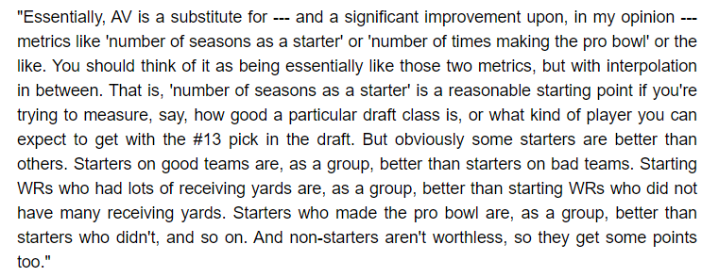

 | Quarterbacks | 1974 | 1975 | 1976 | 1977 | 1978 | 1979 | 1980 | 1981 | 1982 | 1983
1 | Fran Tarkenton | 15 | 16 | 14 | 7 | 11
2
3

 | Notes: | Will need to look to replace Tarkenton after 3 seasons

 | Runningbacks | 1974 | 1975 | 1976 | 1977 | 1978 | 1979 | 1980 | 1981 | 1982 | 1983
1 | Cunningham | 11 | 7 | 13 | 15 | 9 | 6 |  | 2 | 0
2 | Hampton | 2 | 9 | 2
3 | Bulaich | 4 | 8 | 7 | 9 | 3 | 1
4 | Ray | 1 |  | 1

 | Notes:

 | Wide Receivers | 1974 | 1975 | 1976 | 1977 | 1978 | 1979 | 1980 | 1981 | 1982 | 1983
1
2
3
4
5

 | Notes:

 | Tight Ends | 1974 | 1975 | 1976 | 1977 | 1978 | 1979 | 1980 | 1981 | 1982 | 1983
1
2
3
 | Notes:

 | Offensive Line | 1974 | 1975 | 1976 | 1977 | 1978 | 1979 | 1980 | 1981 | 1982 | 1983
1
2
3
4
5
6
7
8
9
10
 | Notes:

 | Defensive Line | 1974 | 1975 | 1976 | 1977 | 1978 | 1979 | 1980 | 1981 | 1982 | 1983
1
2
3
4
5
6
7
8
 | Notes:

 | Linebackers | 1974 | 1975 | 1976 | 1977 | 1978 | 1979 | 1980 | 1981 | 1982 | 1983
1
2
3
4
5
6
7
8
 | Notes:

 | Defensive Backs | 1974 | 1975 | 1976 | 1977 | 1978 | 1979 | 1980 | 1981 | 1982 | 1983
1
2
3
4
5
6
7
8
 | Notes:

 | Kickers | 1974 | 1975 | 1976 | 1977 | 1978 | 1979 | 1980 | 1981 | 1982 | 1983
1
2
 | Notes:

 | Punters | 1974 | 1975 | 1976 | 1977 | 1978 | 1979 | 1980 | 1981 | 1982 | 1983
1
2
 | Notes:

 | Draft Notes | 1974 | 1975 | 1976 | 1977 | 1978 | 1979 | 1980 | 1981 | 1982 | 1983
 | Mike Webster (C) | 0 | 0 | 13 | 10 | 17 | 16 | 16 | 16 | 12 | 14
 | Jack Lambert (LB) | 8 | 14 | 20 | 8 | 12 | 14 | 12 | 15 | 17 | 17
 | Too Tall Jones (DE) | 3 | 7 | 8 | 9 | 8 |  | 8 | 14 | 18 | 12

